Sheet1
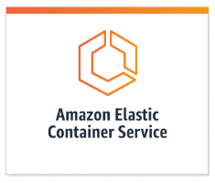
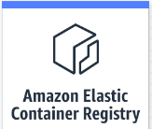
Export container data to S3 bucket as .bak

Deploy container to ECS

Pull and run from ECS
Pull and run from ECS

1. Push development
image.

Local devlopment laptop

Local computer devlopment desktop
 | Import the database, change the schema and containerize again.

